Sheet1
 |  | Document No. | Issue No. |  | Issue Date |  | Review and Replace Date |  | Authorised By
 |  | GFF535MC | 1 |  | XX.XX.XXXX |  | New doc |  | Magda Shah
 |  | Document Title | Gazebo 8 Oriental Selection - 160g
Document amendments reason for change |  | Product Updated |  | Page 1 of 1 |  | Previous Issue Date |  | New doc | Uncontrolled copy unless signed original

CORSLC-R6T | GAZEBO |  | 8 Oriental Selection - 160g | CHILLED
STEP 1 |  |  |  |  | STEP 2
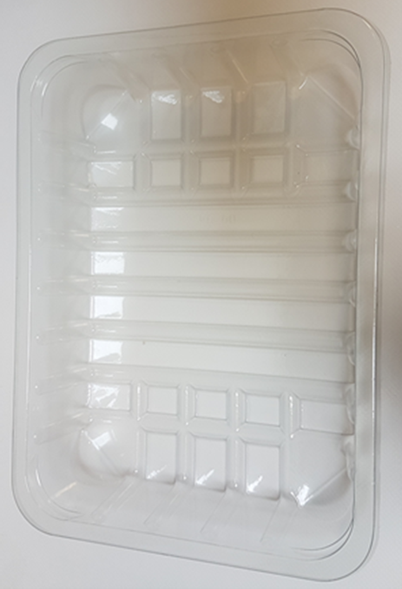

Tray: SK4-Plain Clear (PKESS001-07)
Film: K-peel 7G+25A/f-275mm (PKKMP001-03)
STEP 3 |  |  |  |  | STEP 4
 |  |  |  |  | 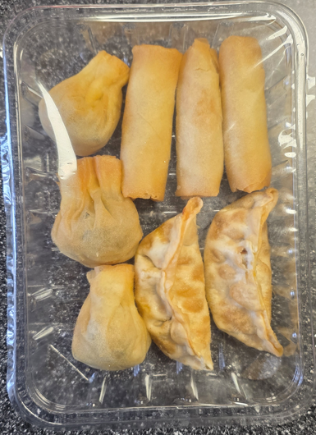

 |  |  |  |  | Total Weight : 160 g
ALLERGY ALERT: XXXXXX

